Sheet69
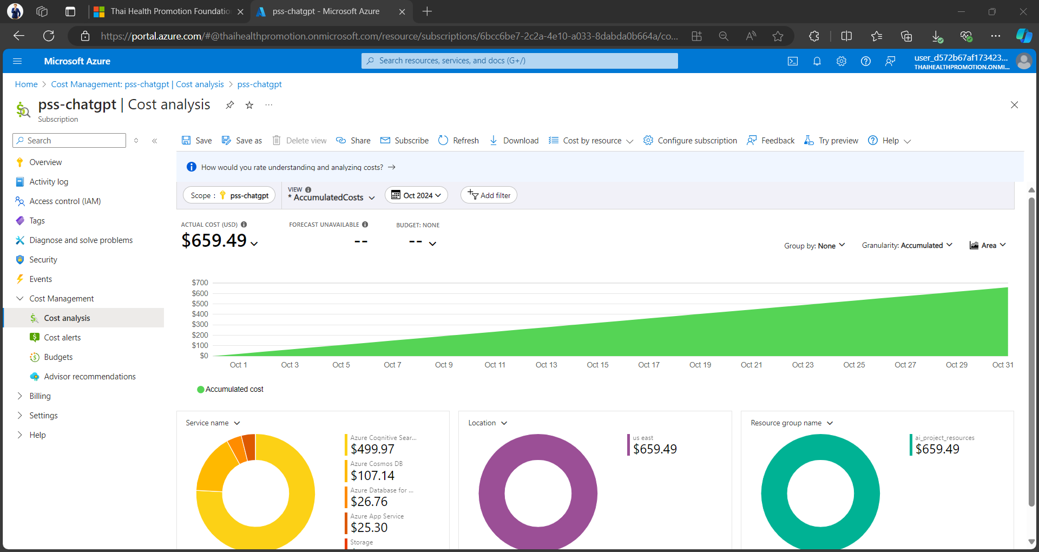
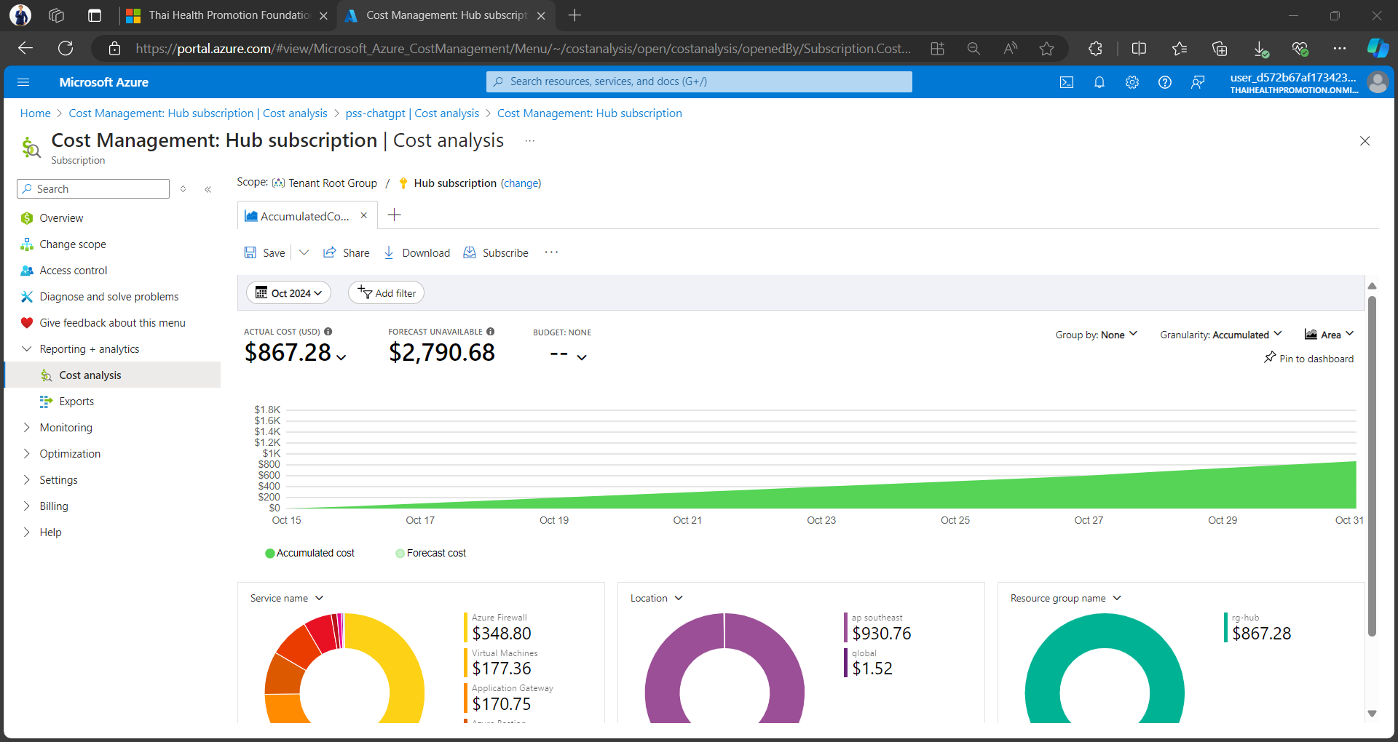
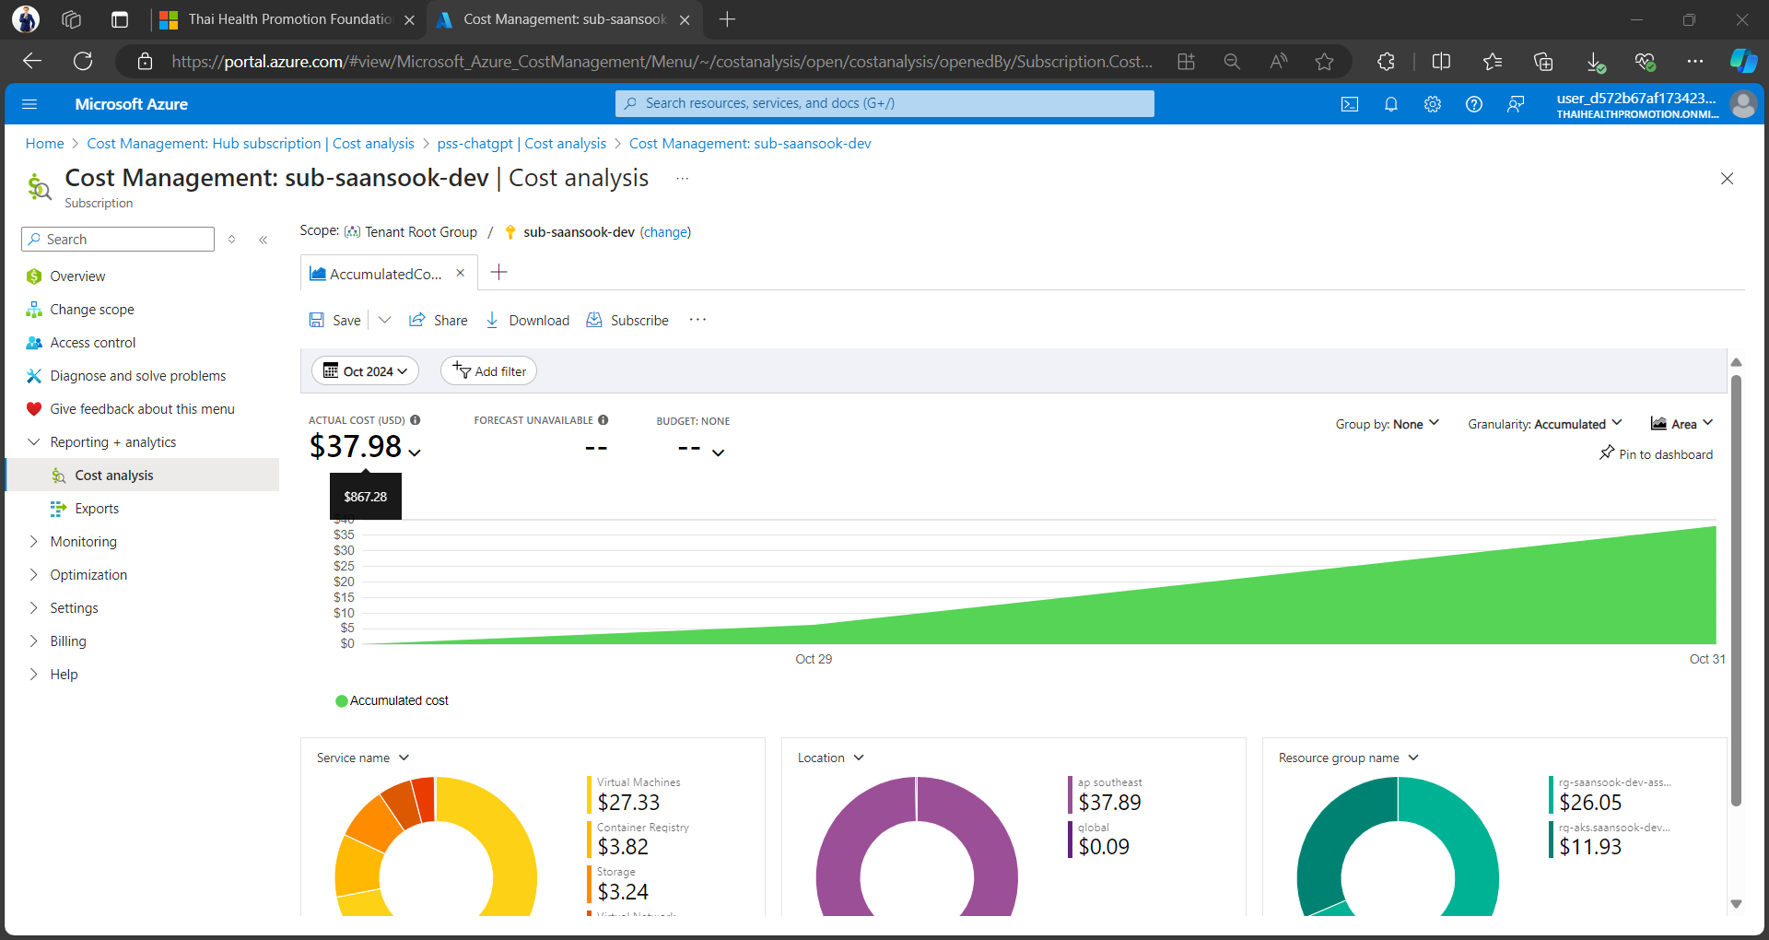
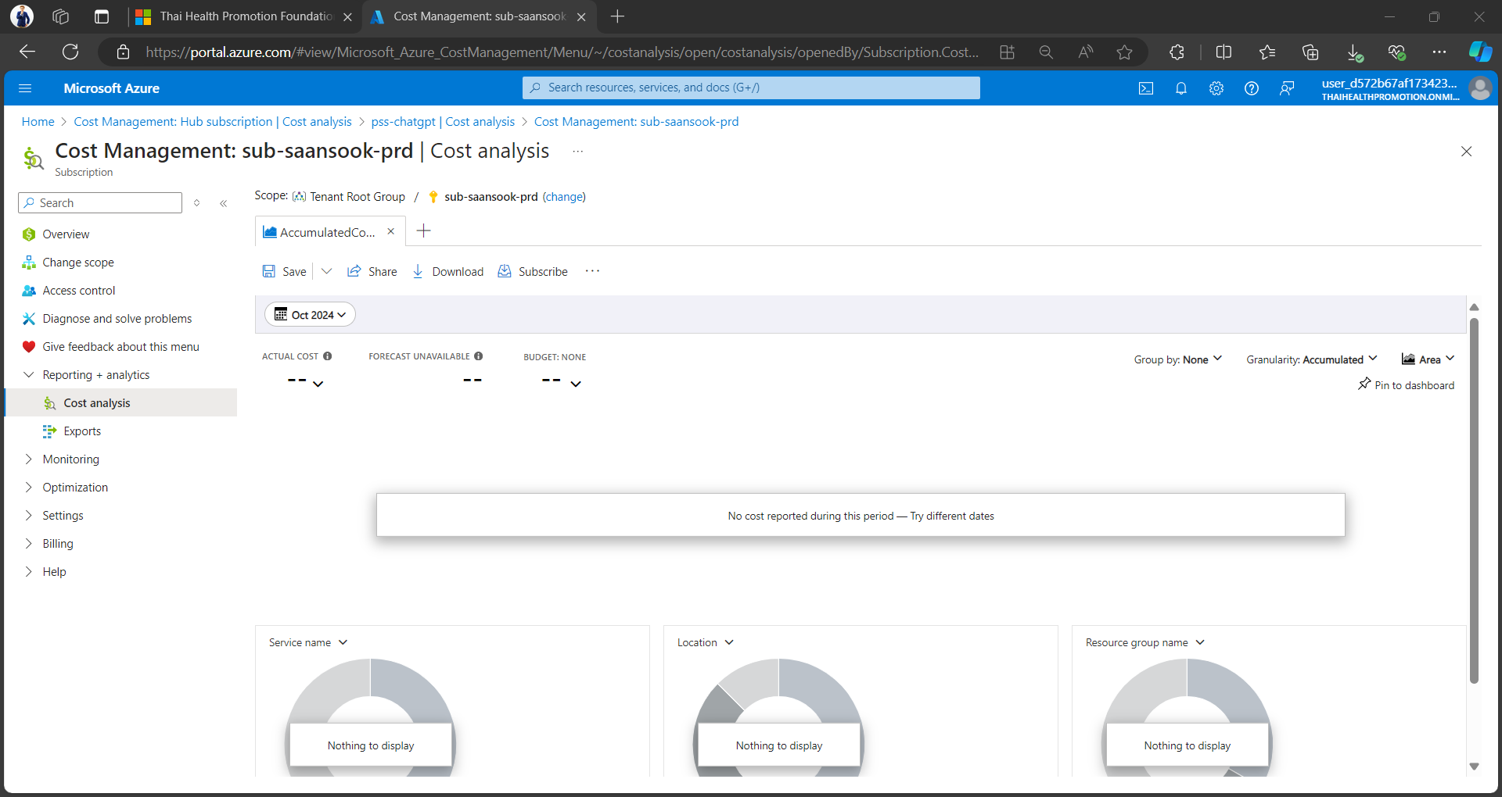
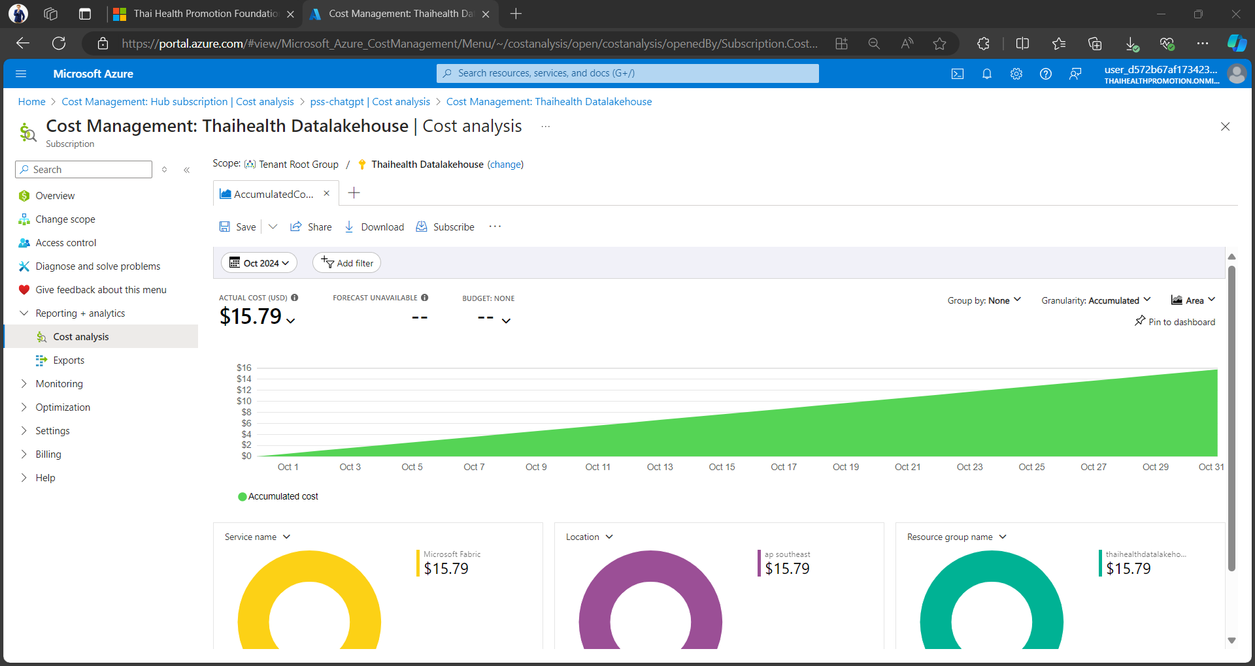
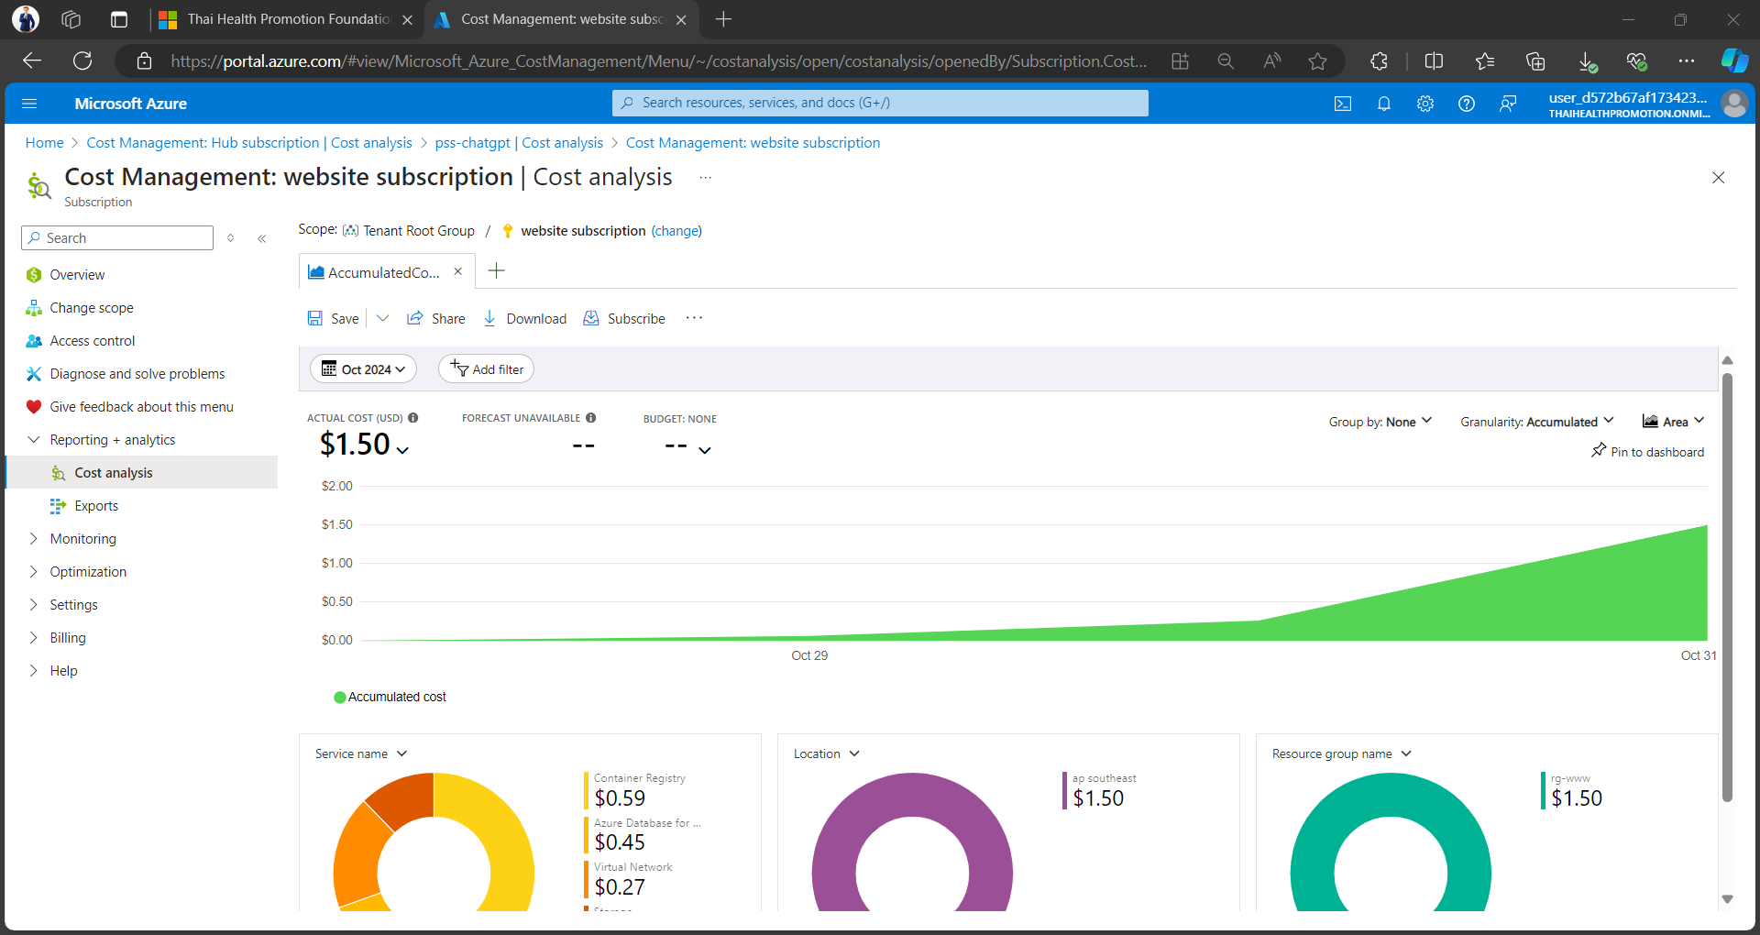
 |  |  |  |  |  |  |  |  |  |  |  |  |  |  |  | Web Pricing |  | Partner Pricing
PartnerId | CustomerId | CustomerName | CustomerDomainName | CustomerCountry | InvoiceNumber | MpnId | ResellerMpnId | OrderId | OrderDate | ProductId | SkuId | AvailabilityId | SkuName | ProductName | ChargeType | UnitPrice | Total | UnitPrice | Total | Total | Currency | PublisherName | PublisherId | SubscriptionDescription | SubscriptionId | ChargeStartDate | ChargeEndDate | TermAndBillingCycle | UnitType | AlternateId | BillableQuantity | BillingFrequency | PricingCurrency | PCToBCExchangeRate | PCToBCExchangeRateDate | MeterDescription | ReservationOrderId | CreditReasonCode | SubscriptionStartDate | SubscriptionEndDate | ReferenceId | ProductQualifiers | PromotionId
d0bc648e-5208-46c8-9188-45556aeaea65 | a295c6a5-c3f3-4c96-806c-77c8613c28e2 | Thai Health Promotion Foundation | thaihealthpromotion.onmicrosoft.com | TH | G065320996 | 3797082 | 4738468 | QK9_vSTKneI2kJW_J7NISoevqnWixccO1 | 2024-11-03 | DZH318Z0BNXH | 2 | DZH318Z09NDZ | Load Balancer | Load Balancer | new | 0.01 | 0.01 | 0.00 | 0.01 | 0 | USD | Microsoft |  | Azure plan | c5a7b432-404d-42dc-de33-3c647ac30127 | 2024-10-01 | 2024-10-31 | Data Processed (GB) | 1 GB | 76335d3fe644 | 1.346688966 |  | USD | 1 | 2024-10-01 | Load Balancer - Standard GB Data Processed | 53f3c5faec2833e4c2e1be6d496e89e925cc7520a3ef227969c4f9b2397587d2 |  |  |  | 41aa940d-44f4-48da-a551-3d1fdb78a0dd
d0bc648e-5208-46c8-9188-45556aeaea65 | a295c6a5-c3f3-4c96-806c-77c8613c28e2 | Thai Health Promotion Foundation | thaihealthpromotion.onmicrosoft.com | TH | G065320996 | 3797082 | 4738468 | WBeeSgQajgEUhWOslXGpS5HF6StZyTf-1 | 2024-11-03 | DZH318Z0CB56 | 000C | DZH318Z0BC3K | Azure Bastion - Basic - AU East | Azure Bastion | new | 0.12 | 0.02 | 0.11 | 0.02 | 0 | USD | Microsoft |  | Azure plan | c5a7b432-404d-42dc-de33-3c647ac30127 | 2024-10-01 | 2024-10-31 | Data Transfer Out (GB) | 1 GB | 93f8f397ffee | 0.192483696 |  | USD | 1 | 2024-10-01 | Azure Bastion - Basic GB Data Transfer Out - Zone 2 | 7a77a73f75bf6c314beaf895956af221ebaa20139fc52edd72a2b27d88c81273 |  |  |  | 745d9787-49a0-4d77-a9bb-c51c888d08e3
d0bc648e-5208-46c8-9188-45556aeaea65 | a295c6a5-c3f3-4c96-806c-77c8613c28e2 | Thai Health Promotion Foundation | thaihealthpromotion.onmicrosoft.com | TH | G065320996 | 3797082 | 4738468 | 2e3wgloA4qudiy6Kd6fZQLfkUnvzxvr11 | 2024-11-03 | DZH318Z0BP04 | 00HM | DZH318XZQKHG | Premium SSD Managed Disks - P10 - AP Southeast | Premium SSD Managed Disks | new | 19.71 | 10.90 | 17.54 | 9.70 | 9.26 | USD | Microsoft |  | Azure plan | c5a7b432-404d-42dc-de33-3c647ac30127 | 2024-10-01 | 2024-10-31 | 1 Disk/Month | 1/Month | c33a4c085d41 | 0.552977 |  | USD | 1 | 2024-10-01 | Premium SSD Managed Disks - P10 LRS/Month - AP Southeast | 6c0f44dcd6fd0c166f843a37d7b6e7c580f9b2859bcbeabe9f4017f2389666fe |  |  |  | 1f41c526-1437-4adb-b088-2efd0cffc18e
d0bc648e-5208-46c8-9188-45556aeaea65 | a295c6a5-c3f3-4c96-806c-77c8613c28e2 | Thai Health Promotion Foundation | thaihealthpromotion.onmicrosoft.com | TH | G065320996 | 3797082 | 4738468 | 2e3wgloA4qudiy6Kd6fZQLfkUnvzxvr11 | 2024-11-03 | DZH318Z0BNZJ | 000J | DZH318XZWPQ0 | Blob Storage - Hot LRS - AP Southeast | Blob Storage | new | 0.00 | 0.02 | 0.00 | 0.01 | 0.01 | USD | Microsoft |  | Azure plan | c5a7b432-404d-42dc-de33-3c647ac30127 | 2024-10-01 | 2024-10-31 | 10K Read Operations | 10K | c33a4c085d41 | 4.086 |  | USD | 1 | 2024-10-01 | Tiered Block Blob - Hot - 10K Read Operations - AP Southeast | d021b7983a8d071f2d8b171a98d86707a5e769df898633d8e9cea4744eb2e086 |  |  |  | 1f41c526-1437-4adb-b088-2efd0cffc18e
d0bc648e-5208-46c8-9188-45556aeaea65 | a295c6a5-c3f3-4c96-806c-77c8613c28e2 | Thai Health Promotion Foundation | thaihealthpromotion.onmicrosoft.com | TH | G065320996 | 3797082 | 4738468 | Jphf0iSz2nnh9V1UWFqTS6LToF140yqR1 | 2024-11-03 | DZH318Z0BNZJ | 000J | DZH318XZWQF3 | Blob Storage - Hot LRS - AP Southeast | Blob Storage | new | 0.05 | 0.00 | 0.04 | 0.00 | 0 | USD | Microsoft |  | Azure plan | c5a7b432-404d-42dc-de33-3c647ac30127 | 2024-10-01 | 2024-10-31 | 10K Write Operations | 10K | e115a639192d | 0.0001 |  | USD | 1 | 2024-10-01 | Tiered Block Blob - Hot LRS - 10K Write Operations - AP Southeast | c3e223c846d301320de1382e02500582896b3ef1cf77148ba655a71afac3fb09 |  |  |  | 866d71eb-996a-4e6d-aefb-4284c8495d07
d0bc648e-5208-46c8-9188-45556aeaea65 | a295c6a5-c3f3-4c96-806c-77c8613c28e2 | Thai Health Promotion Foundation | thaihealthpromotion.onmicrosoft.com | TH | G065320996 | 3797082 | 4738468 | WBeeSgQajgEUhWOslXGpS5HF6StZyTf-1 | 2024-11-03 | DZH318Z0BZ06 | 16 | DZH318Z0HDH7 | Azure Firewall - Standard | Azure Firewall | new | 1.25 | 474.71 | 1.11 | 422.49 | 403.5 | USD | Microsoft |  | Azure plan | c5a7b432-404d-42dc-de33-3c647ac30127 | 2024-10-01 | 2024-10-31 | 1 Deployment Hour | 1 Hour | 93f8f397ffee | 379.7677778 |  | USD | 1 | 2024-10-01 | Azure Firewall - Standard Hours Deployment | 4b65fe16984e7d99f6f4adaf69139e90f90dce0448820f64a8fcf6c1bf37450d |  |  |  | 745d9787-49a0-4d77-a9bb-c51c888d08e3
d0bc648e-5208-46c8-9188-45556aeaea65 | a295c6a5-c3f3-4c96-806c-77c8613c28e2 | Thai Health Promotion Foundation | thaihealthpromotion.onmicrosoft.com | TH | G065320996 | 3797082 | 4738468 | ukMntBnmdYKyZrMWQvEzQLchYGDbkDhH1 | 2024-11-03 | DZH318Z0BNZ5 | 006H | DZH318XZQLVJ | Tables - RA-GRS | Tables | new | 0.08 | 0.00 | 0.07 | 0.00 | 0 | USD | Microsoft |  | Azure plan | c5a7b432-404d-42dc-de33-3c647ac30127 | 2024-10-01 | 2024-10-31 | Data Stored (GB/Month) | 1 GB/Month | 40f561b9d6ac | 0.017692 |  | USD | 1 | 2024-10-01 | Tables - RA-GRS Data Stored (GB/Month) | 7cdf781283d362f4c2b3f7e43fb8ddfae4d4e6e0bfa39ac7a09596215d147599 |  |  |  | d4b55cb1-8b6a-4111-b2e3-77a918ba4dd6
d0bc648e-5208-46c8-9188-45556aeaea65 | a295c6a5-c3f3-4c96-806c-77c8613c28e2 | Thai Health Promotion Foundation | thaihealthpromotion.onmicrosoft.com | TH | G065320996 | 3797082 | 4738468 | QK9_vSTKneI2kJW_J7NISoevqnWixccO1 | 2024-11-03 | DZH318Z0BPVL | 00GM | DZH318Z0VSVL | Virtual Machines Dv3 Series Windows - D2 v3 - AP Southeast | Virtual Machines Dv3 Series Windows | new | 0.22 | 8.52 | 0.19 | 7.58 | 7.23 | USD | Microsoft |  | Azure plan | c5a7b432-404d-42dc-de33-3c647ac30127 | 2024-10-01 | 2024-10-31 | 1 Compute Hour | 1 Hour | 76335d3fe644 | 39.250063 |  | USD | 1 | 2024-10-01 | Virtual Machines Dv3/DSv3 Series Windows - D2 v3/D2s v3 Hours - AP Southeast | 938692965fdeb5ece9569a581df758feb7afb3e11f0f665d65985a06e831efdc |  |  |  | 41aa940d-44f4-48da-a551-3d1fdb78a0dd
d0bc648e-5208-46c8-9188-45556aeaea65 | a295c6a5-c3f3-4c96-806c-77c8613c28e2 | Thai Health Promotion Foundation | thaihealthpromotion.onmicrosoft.com | TH | G065320996 | 3797082 | 4738468 | iWGVz9ECMn15WeCym3SXQ7HDBwo2o-O11 | 2024-11-03 | DZH318Z0DCQ4 | 00D3 | DZH318Z0BDCX | Az DB for MySQL Flexible Server Storage - LRS Paid IO - US East | Az DB for MySQL Flexible Server Storage | new | 0.20 | 11.82 | 0.18 | 10.52 | 10.04 | USD | Microsoft |  | Azure plan | c5a7b432-404d-42dc-de33-3c647ac30127 | 2024-10-01 | 2024-10-31 | 1M IO Rate Operations | 1M | 45a977e5458d | 59.082655 |  | USD | 1 | 2024-10-01 | Az DB for MySQL Flexible Server Storage - Paid IO LRS - 1M IO Rate Operations - US East | 2f2b00eee8399df0bb618236e583828d8b7e834a67525e7520deadc0d4d0e026 |  |  |  | 3a439bd0-6f3f-44a6-b647-2bd93168e75f
d0bc648e-5208-46c8-9188-45556aeaea65 | a295c6a5-c3f3-4c96-806c-77c8613c28e2 | Thai Health Promotion Foundation | thaihealthpromotion.onmicrosoft.com | TH | G065320996 | 3797082 | 4738468 | QK9_vSTKneI2kJW_J7NISoevqnWixccO1 | 2024-11-03 | DZH318Z0BNX0 | 21 | DZH318Z09T28 | Azure DNS - Private | Azure DNS | new | 0.40 | 0.00 | 0.36 | 0.00 | 0 | USD | Microsoft |  | Azure plan | c5a7b432-404d-42dc-de33-3c647ac30127 | 2024-10-01 | 2024-10-31 | 1M Queries | 1M | 76335d3fe644 | 0.002536 |  | USD | 1 | 2024-10-01 | Azure DNS - Private 1M Queries | d7999ebe2a6d408264487a4cf100197f47507d1675ac9c952bad0d7e449b3618 |  |  |  | 41aa940d-44f4-48da-a551-3d1fdb78a0dd
d0bc648e-5208-46c8-9188-45556aeaea65 | a295c6a5-c3f3-4c96-806c-77c8613c28e2 | Thai Health Promotion Foundation | thaihealthpromotion.onmicrosoft.com | TH | G065320996 | 3797082 | 4738468 | ukMntBnmdYKyZrMWQvEzQLchYGDbkDhH1 | 2024-11-03 | DZH318Z0BNZ5 | 006F | DZH318XZQRPZ | Tables - GRS | Tables | new | 0.00 | 0.00 | 0.00 | 0.00 | 0 | USD | Microsoft |  | Azure plan | c5a7b432-404d-42dc-de33-3c647ac30127 | 2024-10-01 | 2024-10-31 | 10K Batch Write Operations | 10K | 40f561b9d6ac | 1.8092 |  | USD | 1 | 2024-10-01 | Tables - GRS - 10K Batch Write Operations | f292b95a0b1b7b3e5a46977404e3654281bab62b7782aa8f95af33d08a232053 |  |  |  | d4b55cb1-8b6a-4111-b2e3-77a918ba4dd6
d0bc648e-5208-46c8-9188-45556aeaea65 | a295c6a5-c3f3-4c96-806c-77c8613c28e2 | Thai Health Promotion Foundation | thaihealthpromotion.onmicrosoft.com | TH | G065320996 | 3797082 | 4738468 | QK9_vSTKneI2kJW_J7NISoevqnWixccO1 | 2024-11-03 | DZH318Z0BNVX | 000C | DZH318Z0JT3N | Rtn Preference: MGN - AU East | Rtn Preference: MGN | new | - | - | - | - | 0 | USD | Microsoft |  | Azure plan | c5a7b432-404d-42dc-de33-3c647ac30127 | 2024-10-01 | 2024-10-31 | Data Transfer In (GB) | 1 GB | 76335d3fe644 | 7.98E-05 |  | USD | 1 | 2024-10-01 | Rtn Preference: MGN - Standard GB Data Transfer In - AU East | 1a8e1786f6d00c46e9fd9e8f52f4bb2d8242d6e962d22c2f1098363f151072d4 |  |  |  | 41aa940d-44f4-48da-a551-3d1fdb78a0dd
d0bc648e-5208-46c8-9188-45556aeaea65 | a295c6a5-c3f3-4c96-806c-77c8613c28e2 | Thai Health Promotion Foundation | thaihealthpromotion.onmicrosoft.com | TH | G065320996 | 3797082 | 4738468 | uuRgmAHX8TPgnrLbLhwFT59NpwOKCI-i1 | 2024-11-03 | DZH318Z0BNZ5 | 006G | DZH318XZQH9J | Tables - LRS | Tables | new | 0.05 | 0.00 | 0.04 | 0.00 | 0 | USD | Microsoft |  | Azure plan | c5a7b432-404d-42dc-de33-3c647ac30127 | 2024-10-01 | 2024-10-31 | Data Stored (GB/Month) | 1 GB/Month | cbfc94b17067 | 0.080455 |  | USD | 1 | 2024-10-01 | Tables - LRS Data Stored (GB/Month) | 858fe0f0acc14bfbc770301858b4e8b26acdbd50477d77fa05668e916b97ee11 |  |  |  | 88d337bc-c895-4b95-9a4a-91a079ac4a75
d0bc648e-5208-46c8-9188-45556aeaea65 | a295c6a5-c3f3-4c96-806c-77c8613c28e2 | Thai Health Promotion Foundation | thaihealthpromotion.onmicrosoft.com | TH | G065320996 | 3797082 | 4738468 | ukMntBnmdYKyZrMWQvEzQLchYGDbkDhH1 | 2024-11-03 | DZH318Z0BNZ5 | 006G | DZH318XZQH83 | Tables - LRS | Tables | new | 0.00 | 0.00 | 0.00 | 0.00 | 0 | USD | Microsoft |  | Azure plan | c5a7b432-404d-42dc-de33-3c647ac30127 | 2024-10-01 | 2024-10-31 | 10K Batch Write Operations | 10K | 40f561b9d6ac | 2.3199 |  | USD | 1 | 2024-10-01 | Tables - 10K Batch Write Operations | 9cd8b5be398b7ee0a7640f83f7c6f8b4c3a65972b1dfb5d7a2d47a7a5ca62201 |  |  |  | d4b55cb1-8b6a-4111-b2e3-77a918ba4dd6
d0bc648e-5208-46c8-9188-45556aeaea65 | a295c6a5-c3f3-4c96-806c-77c8613c28e2 | Thai Health Promotion Foundation | thaihealthpromotion.onmicrosoft.com | TH | G065320996 | 3797082 | 4738468 | Jphf0iSz2nnh9V1UWFqTS6LToF140yqR1 | 2024-11-03 | DZH318Z0BNX1 | 002W | DZH318Z09VQ8 | Azure DDOS Protection | Azure DDOS Protection | new | 0.27 | 11.72 | 0.24 | 10.43 | 9.96 | USD | Microsoft |  | Azure plan | c5a7b432-404d-42dc-de33-3c647ac30127 | 2024-10-01 | 2024-10-31 | 1 Resource Hour | 1 Hour | e115a639192d | 43 |  | USD | 1 | 2024-10-01 | Azure DDOS Protection - IP Protection Hours Resource | 9e5da5a75324f0482a1b62ea908f463ecc5af04af7e9e8e96db64b91f3adfab5 |  |  |  | 866d71eb-996a-4e6d-aefb-4284c8495d07
d0bc648e-5208-46c8-9188-45556aeaea65 | a295c6a5-c3f3-4c96-806c-77c8613c28e2 | Thai Health Promotion Foundation | thaihealthpromotion.onmicrosoft.com | TH | G065320996 | 3797082 | 4738468 | Jphf0iSz2nnh9V1UWFqTS6LToF140yqR1 | 2024-11-03 | DZH318Z093WZ | 00W7 | DZH318XZMM6B | Virtual Machines Easv5 Series - E2as v5 - AP Southeast | Virtual Machines Easv5 Series | new | 0.14 | 15.81 | 0.12 | 14.07 | 13.43 | USD | Microsoft |  | Azure plan | c5a7b432-404d-42dc-de33-3c647ac30127 | 2024-10-01 | 2024-10-31 | 1 Compute Hour | 1 Hour | e115a639192d | 116.233338 |  | USD | 1 | 2024-10-01 | Virtual Machines Easv5 Series - E2as v5 Hours - AP Southeast | 02954c53f0d16326f573fd747c05cf09944484db06b8f2388a366a55a05019e1 |  |  |  | 866d71eb-996a-4e6d-aefb-4284c8495d07
d0bc648e-5208-46c8-9188-45556aeaea65 | a295c6a5-c3f3-4c96-806c-77c8613c28e2 | Thai Health Promotion Foundation | thaihealthpromotion.onmicrosoft.com | TH | G065320996 | 3797082 | 4738468 | WBeeSgQajgEUhWOslXGpS5HF6StZyTf-1 | 2024-11-03 | DZH318Z0BSD0 | 8 | DZH318Z09RWH | Application Gateway WAF v2 - AP Southeast | Application Gateway WAF v2 | new | 0.47 | 177.33 | 0.42 | 157.83 | 150.73 | USD | Microsoft |  | Azure plan | c5a7b432-404d-42dc-de33-3c647ac30127 | 2024-10-01 | 2024-10-31 | Fixed Cost/Hour | 1/Hour | 93f8f397ffee | 378.9155556 |  | USD | 1 | 2024-10-01 | Application Gateway WAF v2 - Standard Fixed Cost/Hour - AP Southeast | 9e54948f797c64c6c5caf8d646ff27e6f1e29112bc92ec7a03f9e84abede9f79 |  |  |  | 745d9787-49a0-4d77-a9bb-c51c888d08e3
d0bc648e-5208-46c8-9188-45556aeaea65 | a295c6a5-c3f3-4c96-806c-77c8613c28e2 | Thai Health Promotion Foundation | thaihealthpromotion.onmicrosoft.com | TH | G065320996 | 3797082 | 4738468 | 2e3wgloA4qudiy6Kd6fZQLfkUnvzxvr11 | 2024-11-03 | DZH318Z0BPVL | 00DP | DZH318Z0VKS3 | Virtual Machines Dv3 Series Windows - D4 v3 - AP Southeast | Virtual Machines Dv3 Series Windows | new | 0.43 | 16.51 | 0.39 | 14.70 | 14.03 | USD | Microsoft |  | Azure plan | c5a7b432-404d-42dc-de33-3c647ac30127 | 2024-10-01 | 2024-10-31 | 1 Compute Hour | 1 Hour | c33a4c085d41 | 38.050059 |  | USD | 1 | 2024-10-01 | Virtual Machines Dv3/DSv3 Series Windows - D4 v3/D4s v3 Hours - AP Southeast | e1251474d34c3b1715929aa2b5349d8cfd69f98334db013266107dc952f86125 |  |  |  | 1f41c526-1437-4adb-b088-2efd0cffc18e
d0bc648e-5208-46c8-9188-45556aeaea65 | a295c6a5-c3f3-4c96-806c-77c8613c28e2 | Thai Health Promotion Foundation | thaihealthpromotion.onmicrosoft.com | TH | G065320996 | 3797082 | 4738468 | uuRgmAHX8TPgnrLbLhwFT59NpwOKCI-i1 | 2024-11-03 | DZH318Z0BNZJ | 005D | DZH318XZWS3J | Blob Storage - Hot RA-GRS - US East | Blob Storage | new | 0.06 | 0.26 | 0.05 | 0.23 | 0.22 | USD | Microsoft |  | Azure plan | c5a7b432-404d-42dc-de33-3c647ac30127 | 2024-10-01 | 2024-10-31 | Data Stored (GB/Month) | 1 GB/Month | cbfc94b17067 | 4.469208 |  | USD | 1 | 2024-10-01 | Tiered Block Blob - Hot RA-GRS - Data Stored (GB/Month) - US East | e767b7fe807968018aafb4067f7301344ab91afa82add287eed6c9c64323fe0d |  |  |  | 88d337bc-c895-4b95-9a4a-91a079ac4a75
d0bc648e-5208-46c8-9188-45556aeaea65 | a295c6a5-c3f3-4c96-806c-77c8613c28e2 | Thai Health Promotion Foundation | thaihealthpromotion.onmicrosoft.com | TH | G065320996 | 3797082 | 4738468 | uuRgmAHX8TPgnrLbLhwFT59NpwOKCI-i1 | 2024-11-03 | DZH318Z0DXQ2 | 2 | DZH318Z0BMRT | Fabric Capacity Free Meter - FreeMeter Capacity Usage | Fabric Capacity Free Meter | new | - | - | - | - | 0 | USD | Microsoft |  | Azure plan | c5a7b432-404d-42dc-de33-3c647ac30127 | 2024-10-01 | 2024-10-31 | CU Hour | 1 Hour | cbfc94b17067 | 2975.881863 |  | USD | 1 | 2024-10-01 | Fabric Capacity Free Meter - FreeMeter Capacity Usage - CU (Hours) - US Nat | ed9655ea5c350a103ff13b979a8f1f4c37c2a1989de321f25811e7546e9d2b66 |  |  |  | 88d337bc-c895-4b95-9a4a-91a079ac4a75
d0bc648e-5208-46c8-9188-45556aeaea65 | a295c6a5-c3f3-4c96-806c-77c8613c28e2 | Thai Health Promotion Foundation | thaihealthpromotion.onmicrosoft.com | TH | G065320996 | 3797082 | 4738468 | iWGVz9ECMn15WeCym3SXQ7HDBwo2o-O11 | 2024-11-03 | DZH318Z0BNVX | 005J | DZH318Z0K9PK | Rtn Preference: MGN | Rtn Preference: MGN | new | 0.09 | 0.00 | 0.08 | 0.00 | 0 | USD | Microsoft |  | Azure plan | c5a7b432-404d-42dc-de33-3c647ac30127 | 2024-10-01 | 2024-10-31 | Data Transfer Out (GB) | 1 GB | 45a977e5458d | 0.000205 |  | USD | 1 | 2024-10-01 | Rtn Preference: MGN - Standard GB Data Transfer Out | 64976cf92a276bf7688d367ac4b0fb3aff23b6dfbfa95b77160b53bd8cd2b950 |  |  |  | 3a439bd0-6f3f-44a6-b647-2bd93168e75f
d0bc648e-5208-46c8-9188-45556aeaea65 | a295c6a5-c3f3-4c96-806c-77c8613c28e2 | Thai Health Promotion Foundation | thaihealthpromotion.onmicrosoft.com | TH | G065320996 | 3797082 | 4738468 | uuRgmAHX8TPgnrLbLhwFT59NpwOKCI-i1 | 2024-11-03 | DZH318Z0DCQ4 | 13 | DZH318Z0BD0T | Az DB for MySQL Flexible Server Storage - Storage - US East | Az DB for MySQL Flexible Server Storage | new | 0.12 | 2.30 | 0.10 | 2.05 | 1.95 | USD | Microsoft |  | Azure plan | c5a7b432-404d-42dc-de33-3c647ac30127 | 2024-10-01 | 2024-10-31 | Data Stored (GB/Month) | 1 GB/Month | cbfc94b17067 | 20 |  | USD | 1 | 2024-10-01 | Az DB for MySQL Flexible Server Storage - Data Stored GB/Month - US East | f79944e995a4132451c70c154303f728b9c10f1206714ed3157ddb2831ca964e |  |  |  | 88d337bc-c895-4b95-9a4a-91a079ac4a75
d0bc648e-5208-46c8-9188-45556aeaea65 | a295c6a5-c3f3-4c96-806c-77c8613c28e2 | Thai Health Promotion Foundation | thaihealthpromotion.onmicrosoft.com | TH | G065320996 | 3797082 | 4738468 | WBeeSgQajgEUhWOslXGpS5HF6StZyTf-1 | 2024-11-03 | DZH318Z0C5TM | 5 | DZH318Z097XS | Bandwidth Inter-Region - Intra Continent - Asia | Bandwidth Inter-Region | new | 0.08 | 0.01 | 0.07 | 0.01 | 0.01 | USD | Microsoft |  | Azure plan | c5a7b432-404d-42dc-de33-3c647ac30127 | 2024-10-01 | 2024-10-31 | Data Transfer Out (GB) | 1 GB | 93f8f397ffee | 0.160289855 |  | USD | 1 | 2024-10-01 | Bandwidth Inter-Region - Intra Continent GB Data Transfer Out - Asia | 845eb9522268a1e5ee77edd62331df2542f2198eb25645606aed0cef40dc0398 |  |  |  | 745d9787-49a0-4d77-a9bb-c51c888d08e3
d0bc648e-5208-46c8-9188-45556aeaea65 | a295c6a5-c3f3-4c96-806c-77c8613c28e2 | Thai Health Promotion Foundation | thaihealthpromotion.onmicrosoft.com | TH | G065320996 | 3797082 | 4738468 | 2e3wgloA4qudiy6Kd6fZQLfkUnvzxvr11 | 2024-11-03 | DZH318Z0BNZJ | 000J | DZH318XZWPNZ | Blob Storage - Hot LRS - AP Southeast | Blob Storage | new | 0.00 | 0.00 | 0.00 | 0.00 | 0 | USD | Microsoft |  | Azure plan | c5a7b432-404d-42dc-de33-3c647ac30127 | 2024-10-01 | 2024-10-31 | 10K All Other Operations | 10K | c33a4c085d41 | 0.0254 |  | USD | 1 | 2024-10-01 | Tiered Block Blob - 10K All Other Operations - AP Southeast | 750be528f17d177e0945a64d611c5c1c3aa0a98ca854058dab1e8c462c79ea13 |  |  |  | 1f41c526-1437-4adb-b088-2efd0cffc18e
d0bc648e-5208-46c8-9188-45556aeaea65 | a295c6a5-c3f3-4c96-806c-77c8613c28e2 | Thai Health Promotion Foundation | thaihealthpromotion.onmicrosoft.com | TH | G065320996 | 3797082 | 4738468 | QK9_vSTKneI2kJW_J7NISoevqnWixccO1 | 2024-11-03 | DZH318Z0C0XP | 1 | DZH318Z098GR | Virtual Network Private Link | Virtual Network Private Link | new | 0.01 | 1.27 | 0.01 | 1.13 | 1.08 | USD | Microsoft |  | Azure plan | c5a7b432-404d-42dc-de33-3c647ac30127 | 2024-10-01 | 2024-10-31 | 1 Private Endpoint Hour | 1 Hour | 76335d3fe644 | 127.1708333 |  | USD | 1 | 2024-10-01 | Virtual Network Private Link - Standard Hours Private Endpoint | 752f465e6469d1fb36374eeba86458a0108da2aafeb074218daf5859726961e6 |  |  |  | 41aa940d-44f4-48da-a551-3d1fdb78a0dd
d0bc648e-5208-46c8-9188-45556aeaea65 | a295c6a5-c3f3-4c96-806c-77c8613c28e2 | Thai Health Promotion Foundation | thaihealthpromotion.onmicrosoft.com | TH | G065320996 | 3797082 | 4738468 | 2e3wgloA4qudiy6Kd6fZQLfkUnvzxvr11 | 2024-11-03 | DZH318Z0BNZJ | 000J | DZH318XZWPQX | Blob Storage - Hot LRS - AP Southeast | Blob Storage | new | 0.05 | 0.00 | 0.04 | 0.00 | 0 | USD | Microsoft |  | Azure plan | c5a7b432-404d-42dc-de33-3c647ac30127 | 2024-10-01 | 2024-10-31 | 10K List and Create Container Operations | 10K | c33a4c085d41 | 0.0066 |  | USD | 1 | 2024-10-01 | Tiered Block Blob - LRS - 10K List and Create Container Operations - AP Southeast | a0e6f9d49e26cb52e7aabe1e449d3f837c55551a58b2f9d8706f527a4d68f0a4 |  |  |  | 1f41c526-1437-4adb-b088-2efd0cffc18e
d0bc648e-5208-46c8-9188-45556aeaea65 | a295c6a5-c3f3-4c96-806c-77c8613c28e2 | Thai Health Promotion Foundation | thaihealthpromotion.onmicrosoft.com | TH | G065320996 | 3797082 | 4738468 | uuRgmAHX8TPgnrLbLhwFT59NpwOKCI-i1 | 2024-11-03 | DZH318Z0BPJH | 00GF | DZH318Z0LJ9R | Azure Cosmos DB - RUs | Azure Cosmos DB | new | 0.01 | 107.14 | 0.01 | 95.35 | 91.06 | USD | Microsoft |  | Azure plan | c5a7b432-404d-42dc-de33-3c647ac30127 | 2024-10-01 | 2024-10-31 | 100 RU/s/Hour | 1/Hour | cbfc94b17067 | 13392 |  | USD | 1 | 2024-10-01 | Azure Cosmos DB - 100 RU/s/Hour | 9324016ee7eb0068ce9ef061e496d0a443c0cf4eff60bd744109db250f703537 |  |  |  | 88d337bc-c895-4b95-9a4a-91a079ac4a75
d0bc648e-5208-46c8-9188-45556aeaea65 | a295c6a5-c3f3-4c96-806c-77c8613c28e2 | Thai Health Promotion Foundation | thaihealthpromotion.onmicrosoft.com | TH | G065320996 | 3797082 | 4738468 | Jphf0iSz2nnh9V1UWFqTS6LToF140yqR1 | 2024-11-03 | DZH318Z0BP88 | 00DX | DZH318Z0V8DW | Standard SSD Managed Disks - E10 LRS - AP Southeast | Standard SSD Managed Disks | new | 9.60 | 1.47 | 8.54 | 1.31 | 1.24 | USD | Microsoft |  | Azure plan | c5a7b432-404d-42dc-de33-3c647ac30127 | 2024-10-01 | 2024-10-31 | 1 Disk/Month | 1/Month | e115a639192d | 0.153015 |  | USD | 1 | 2024-10-01 | Standard SSD Managed Disks - E10 - LRS - 1/Month Disk - AP Southeast | b606030e187af2377be6b885c0753fcf530b26f6561fa80dd25d7ba13a769cfa |  |  |  | 866d71eb-996a-4e6d-aefb-4284c8495d07
d0bc648e-5208-46c8-9188-45556aeaea65 | a295c6a5-c3f3-4c96-806c-77c8613c28e2 | Thai Health Promotion Foundation | thaihealthpromotion.onmicrosoft.com | TH | G065320996 | 3797082 | 4738468 | iWGVz9ECMn15WeCym3SXQ7HDBwo2o-O11 | 2024-11-03 | DZH318Z0C5TM | 3 | DZH318Z0987D | Bandwidth Inter-Region - Inter Continent - Intercontinental | Bandwidth Inter-Region | new | 0.05 | 0.00 | 0.04 | 0.00 | 0 | USD | Microsoft |  | Azure plan | c5a7b432-404d-42dc-de33-3c647ac30127 | 2024-10-01 | 2024-10-31 | Data Transfer Out - Trans-Atlantic (GB) | 1 GB | 45a977e5458d | 0.000008 |  | USD | 1 | 2024-10-01 | Bandwidth Inter-Region - Inter Continent GB Data Transfer Out - NAM or EU To Any - Intercontinental | ab2a5c75755dc84922e7226c546e92564a5d7dff7e3fcf45b514e87736cd0deb |  |  |  | 3a439bd0-6f3f-44a6-b647-2bd93168e75f
d0bc648e-5208-46c8-9188-45556aeaea65 | a295c6a5-c3f3-4c96-806c-77c8613c28e2 | Thai Health Promotion Foundation | thaihealthpromotion.onmicrosoft.com | TH | G065320996 | 3797082 | 4738468 | ukMntBnmdYKyZrMWQvEzQLchYGDbkDhH1 | 2024-11-03 | DZH318Z0C5TM | 7 | DZH318Z098BN | Bandwidth Inter-Region - Intra Continent - North America | Bandwidth Inter-Region | new | 0.02 | 0.00 | 0.02 | 0.00 | 0 | USD | Microsoft |  | Azure plan | c5a7b432-404d-42dc-de33-3c647ac30127 | 2024-10-01 | 2024-10-31 | Data Transfer Out (GB) | 1 GB | 40f561b9d6ac | 0.007474 |  | USD | 1 | 2024-10-01 | Bandwidth Inter-Region - Intra Continent GB Data Transfer Out - North America | 3f9733eb97d50455d1e3cd271ba9d078178421e15b526796bb1800e83e447bcc |  |  |  | d4b55cb1-8b6a-4111-b2e3-77a918ba4dd6
d0bc648e-5208-46c8-9188-45556aeaea65 | a295c6a5-c3f3-4c96-806c-77c8613c28e2 | Thai Health Promotion Foundation | thaihealthpromotion.onmicrosoft.com | TH | G065320996 | 3797082 | 4738468 | 2e3wgloA4qudiy6Kd6fZQLfkUnvzxvr11 | 2024-11-03 | DZH318Z0CB56 | 004J | DZH318Z09ZF3 | Azure Bastion - Standard | Azure Bastion | new | 0.29 | 27.97 | 0.26 | 24.90 | 23.77 | USD | Microsoft |  | Azure plan | c5a7b432-404d-42dc-de33-3c647ac30127 | 2024-10-01 | 2024-10-31 | 1 Gateway Hour | 1 Hour | c33a4c085d41 | 96.45638889 |  | USD | 1 | 2024-10-01 | Azure Bastion - Standard Hours Gateway - Zone 1 | 457bec43a72146c6b0ab431876e9de777cb659e3f763173838954a08f3516452 |  |  |  | 1f41c526-1437-4adb-b088-2efd0cffc18e
d0bc648e-5208-46c8-9188-45556aeaea65 | a295c6a5-c3f3-4c96-806c-77c8613c28e2 | Thai Health Promotion Foundation | thaihealthpromotion.onmicrosoft.com | TH | G065320996 | 3797082 | 4738468 | QK9_vSTKneI2kJW_J7NISoevqnWixccO1 | 2024-11-03 | DZH318Z0C0XP | 1 | DZH318Z098F2 | Virtual Network Private Link | Virtual Network Private Link | new | 0.01 | 0.16 | 0.01 | 0.14 | 0.13 | USD | Microsoft |  | Azure plan | c5a7b432-404d-42dc-de33-3c647ac30127 | 2024-10-01 | 2024-10-31 | Data Processed - Ingress (GB) | 1 GB | 76335d3fe644 | 16.19596897 |  | USD | 1 | 2024-10-01 | Virtual Network Private Link - Standard GB Data Processed - Ingress | c4b81db9d2e81f324878bb7860f9b687576ad47a1ce70879b2c3f9a559faf4e1 |  |  |  | 41aa940d-44f4-48da-a551-3d1fdb78a0dd
d0bc648e-5208-46c8-9188-45556aeaea65 | a295c6a5-c3f3-4c96-806c-77c8613c28e2 | Thai Health Promotion Foundation | thaihealthpromotion.onmicrosoft.com | TH | G065320996 | 3797082 | 4738468 | iWGVz9ECMn15WeCym3SXQ7HDBwo2o-O11 | 2024-11-03 | DZH318Z0BNZJ | 58 | DZH318XZVJ35 | Blob Storage - Hot LRS - US East | Blob Storage | new | 0.00 | 0.00 | 0.00 | 0.00 | 0 | USD | Microsoft |  | Azure plan | c5a7b432-404d-42dc-de33-3c647ac30127 | 2024-10-01 | 2024-10-31 | 10K All Other Operations | 10K | 45a977e5458d | 0.0859 |  | USD | 1 | 2024-10-01 | Tiered Block Blob - 10K All Other Operations - US East | 3441e214471c37a508a2e4deec1c32e4a6cc5eb8c51e309d7e879676de2ec823 |  |  |  | 3a439bd0-6f3f-44a6-b647-2bd93168e75f
d0bc648e-5208-46c8-9188-45556aeaea65 | a295c6a5-c3f3-4c96-806c-77c8613c28e2 | Thai Health Promotion Foundation | thaihealthpromotion.onmicrosoft.com | TH | G065320996 | 3797082 | 4738468 | 2e3wgloA4qudiy6Kd6fZQLfkUnvzxvr11 | 2024-11-03 | DZH318Z0BQD2 | 002P | DZH318Z0HFW7 | Log Analytics - Pay-as-you-go - AP Southeast | Log Analytics | new | 2.99 | 0.19 | 2.66 | 0.17 | 0 | USD | Microsoft |  | Azure plan | c5a7b432-404d-42dc-de33-3c647ac30127 | 2024-10-01 | 2024-10-31 | Data Ingestion (GB) | 1 GB | c33a4c085d41 | 0.062106724 |  | USD | 1 | 2024-10-01 | Log Analytics - Pay-as-you-go GB Data Ingestion - AP Southeast | fefa28bd4bc49fb44addb9ce94b41a84ebd6fc2daea32e57ec4d78974bf7bf77 |  |  |  | 1f41c526-1437-4adb-b088-2efd0cffc18e
d0bc648e-5208-46c8-9188-45556aeaea65 | a295c6a5-c3f3-4c96-806c-77c8613c28e2 | Thai Health Promotion Foundation | thaihealthpromotion.onmicrosoft.com | TH | G065320996 | 3797082 | 4738468 | 2e3wgloA4qudiy6Kd6fZQLfkUnvzxvr11 | 2024-11-03 | DZH318Z0BP0L | 00B7 | DZH318Z0L54Q | Standard HDD Managed Disks - S10 LRS - AP Southeast | Standard HDD Managed Disks | new | 5.89 | 2.81 | 5.24 | 2.50 | 2.39 | USD | Microsoft |  | Azure plan | c5a7b432-404d-42dc-de33-3c647ac30127 | 2024-10-01 | 2024-10-31 | 1 Disk/Month | 1/Month | c33a4c085d41 | 0.477912 |  | USD | 1 | 2024-10-01 | Standard HDD Managed Disks - S10 - LRS - 1/Month Disk - AP Southeast | 9020e065d12c16857433d3f0876ad737edadb517c023250bbeca627592acd24b |  |  |  | 1f41c526-1437-4adb-b088-2efd0cffc18e
d0bc648e-5208-46c8-9188-45556aeaea65 | a295c6a5-c3f3-4c96-806c-77c8613c28e2 | Thai Health Promotion Foundation | thaihealthpromotion.onmicrosoft.com | TH | G065320996 | 3797082 | 4738468 | iWGVz9ECMn15WeCym3SXQ7HDBwo2o-O11 | 2024-11-03 | DZH318Z0BNZ5 | 006G | DZH318XZQ942 | Tables - LRS | Tables | new | 0.00 | 0.00 | 0.00 | 0.00 | 0 | USD | Microsoft |  | Azure plan | c5a7b432-404d-42dc-de33-3c647ac30127 | 2024-10-01 | 2024-10-31 | 10K Read Operations | 10K | 45a977e5458d | 0.0022 |  | USD | 1 | 2024-10-01 | Tables - 10K Read Operations | 6f58b9e0a2b32432a5f509ceedf4a3b76b1716cfbad7be98a0e7f2b0d0113c25 |  |  |  | 3a439bd0-6f3f-44a6-b647-2bd93168e75f
d0bc648e-5208-46c8-9188-45556aeaea65 | a295c6a5-c3f3-4c96-806c-77c8613c28e2 | Thai Health Promotion Foundation | thaihealthpromotion.onmicrosoft.com | TH | G065320996 | 3797082 | 4738468 | ukMntBnmdYKyZrMWQvEzQLchYGDbkDhH1 | 2024-11-03 | DZH318Z0F28J | 4 | DZH318Z0BLWX | OneLake - OneLake Storage - AP Southeast | OneLake | new | 0.03 | 15.77 | 0.02 | 14.03 | 13.4 | USD | Microsoft |  | Azure plan | c5a7b432-404d-42dc-de33-3c647ac30127 | 2024-10-01 | 2024-10-31 | Data Stored 1 GB/Month | 1 GB/Month | 40f561b9d6ac | 630.748925 |  | USD | 1 | 2024-10-01 | OneLake - OneLake Storage Data Stored GB/Month - AP Southeast | 2d19769d30b71bf5c3624f1c57a20083a81205960658d05b5d01643305321712 |  |  |  | d4b55cb1-8b6a-4111-b2e3-77a918ba4dd6
d0bc648e-5208-46c8-9188-45556aeaea65 | a295c6a5-c3f3-4c96-806c-77c8613c28e2 | Thai Health Promotion Foundation | thaihealthpromotion.onmicrosoft.com | TH | G065320996 | 3797082 | 4738468 | uuRgmAHX8TPgnrLbLhwFT59NpwOKCI-i1 | 2024-11-03 | DZH318Z0C1K2 | 1 | DZH318Z09853 | Azure App Service Free Plan - Linux - F1 | Azure App Service Free Plan - Linux | new | - | - | - | - | 0 | USD | Microsoft |  | Azure plan | c5a7b432-404d-42dc-de33-3c647ac30127 | 2024-10-01 | 2024-10-31 | 1 App Service Hour | 1 Hour | cbfc94b17067 | 2.999808 |  | USD | 1 | 2024-10-01 | Azure App Service Free Plan - Linux - F1 Hours | fdc3d8a122aaabaec324c6d9d08f3b9743f53256c15702888117fdc5375b176b |  |  |  | 88d337bc-c895-4b95-9a4a-91a079ac4a75
d0bc648e-5208-46c8-9188-45556aeaea65 | a295c6a5-c3f3-4c96-806c-77c8613c28e2 | Thai Health Promotion Foundation | thaihealthpromotion.onmicrosoft.com | TH | G065320996 | 3797082 | 4738468 | WBeeSgQajgEUhWOslXGpS5HF6StZyTf-1 | 2024-11-03 | DZH318Z0BNXN | 33 | DZH318Z0J4SK | IP Addresses - Standard IPv4 | IP Addresses | new | 0.01 | 11.89 | 0.00 | 10.58 | 10.1 | USD | Microsoft |  | Azure plan | c5a7b432-404d-42dc-de33-3c647ac30127 | 2024-10-01 | 2024-10-31 | 1 Static Public IP Hour | 1 Hour | 93f8f397ffee | 2377.848889 |  | USD | 1 | 2024-10-01 | IP Addresses - Standard IPv4 Hours Static Public IP | e0e8f9f454ed0c5cc1ab2bb63570196ec5c841fff4e3c5ad562a4273ac534b51 |  |  |  | 745d9787-49a0-4d77-a9bb-c51c888d08e3
d0bc648e-5208-46c8-9188-45556aeaea65 | a295c6a5-c3f3-4c96-806c-77c8613c28e2 | Thai Health Promotion Foundation | thaihealthpromotion.onmicrosoft.com | TH | G065320996 | 3797082 | 4738468 | WBeeSgQajgEUhWOslXGpS5HF6StZyTf-1 | 2024-11-03 | DZH318Z0C5TM | 3 | DZH318Z0988N | Bandwidth Inter-Region - Inter Continent - Intercontinental | Bandwidth Inter-Region | new | 0.08 | 0.20 | 0.07 | 0.18 | 0 | USD | Microsoft |  | Azure plan | c5a7b432-404d-42dc-de33-3c647ac30127 | 2024-10-01 | 2024-10-31 | Data Transfer Out - Trans-Pacific (GB) | 1 GB | 93f8f397ffee | 2.51534551 |  | USD | 1 | 2024-10-01 | Bandwidth Inter-Region - Inter Continent GB Data Transfer Out - ASIA To Any - Intercontinental | 01e611f8f2674e310c3107d22574d7f250ea4edf6eaa65f0230069a2febeec8b |  |  |  | 745d9787-49a0-4d77-a9bb-c51c888d08e3
d0bc648e-5208-46c8-9188-45556aeaea65 | a295c6a5-c3f3-4c96-806c-77c8613c28e2 | Thai Health Promotion Foundation | thaihealthpromotion.onmicrosoft.com | TH | G065320996 | 3797082 | 4738468 | uuRgmAHX8TPgnrLbLhwFT59NpwOKCI-i1 | 2024-11-03 | DZH318Z0BNZJ | 58 | DZH318XZVJ2C | Blob Storage - Hot LRS - US East | Blob Storage | new | 0.05 | 0.05 | 0.04 | 0.05 | 0.04 | USD | Microsoft |  | Azure plan | c5a7b432-404d-42dc-de33-3c647ac30127 | 2024-10-01 | 2024-10-31 | 10K Write Operations | 10K | cbfc94b17067 | 1.0491 |  | USD | 1 | 2024-10-01 | Tiered Block Blob - Hot LRS - 10K Write Operations - US East | bb71b5f2e5e8a70943f416f2d2177919e5d111947a70e64789dc7ba61cb68770 |  |  |  | 88d337bc-c895-4b95-9a4a-91a079ac4a75
d0bc648e-5208-46c8-9188-45556aeaea65 | a295c6a5-c3f3-4c96-806c-77c8613c28e2 | Thai Health Promotion Foundation | thaihealthpromotion.onmicrosoft.com | TH | G065320996 | 3797082 | 4738468 | iWGVz9ECMn15WeCym3SXQ7HDBwo2o-O11 | 2024-11-03 | DZH318Z0BP0B | 004M | DZH318Z0FNV6 | Files - LRS | Files | new | 0.00 | 0.00 | 0.00 | 0.00 | 0 | USD | Microsoft |  | Azure plan | c5a7b432-404d-42dc-de33-3c647ac30127 | 2024-10-01 | 2024-10-31 | 10K Read Operations | 10K | 45a977e5458d | 0.0017 |  | USD | 1 | 2024-10-01 | Files - 10K Read Operations | 23e585b1885597bc60b5bdee020bd67eebb925b003729fac074e637b795424f4 |  |  |  | 3a439bd0-6f3f-44a6-b647-2bd93168e75f
d0bc648e-5208-46c8-9188-45556aeaea65 | a295c6a5-c3f3-4c96-806c-77c8613c28e2 | Thai Health Promotion Foundation | thaihealthpromotion.onmicrosoft.com | TH | G065320996 | 3797082 | 4738468 | Jphf0iSz2nnh9V1UWFqTS6LToF140yqR1 | 2024-11-03 | DZH318Z0BP0B | 004M | DZH318Z0FP0W | Files - LRS | Files | new | 0.02 | 0.00 | 0.01 | 0.00 | 0 | USD | Microsoft |  | Azure plan | c5a7b432-404d-42dc-de33-3c647ac30127 | 2024-10-01 | 2024-10-31 | 10K List Operations | 10K | e115a639192d | 0.0003 |  | USD | 1 | 2024-10-01 | Files - 10K List Operations | 2a8255a5b0e0e7bfdf0888891b26cf27e26f5f4917bb9dd645d9990894576e8e |  |  |  | 866d71eb-996a-4e6d-aefb-4284c8495d07
d0bc648e-5208-46c8-9188-45556aeaea65 | a295c6a5-c3f3-4c96-806c-77c8613c28e2 | Thai Health Promotion Foundation | thaihealthpromotion.onmicrosoft.com | TH | G065320996 | 3797082 | 4738468 | uuRgmAHX8TPgnrLbLhwFT59NpwOKCI-i1 | 2024-11-03 | DZH318Z0BZ26 | 000G | DZH318Z09NTJ | Storage - Bandwidth - Geo-Replication - US East | Storage - Bandwidth | new | - | - | - | - | 0 | USD | Microsoft |  | Azure plan | c5a7b432-404d-42dc-de33-3c647ac30127 | 2024-10-01 | 2024-10-31 | Data Transfer (GB) | 1 GB | cbfc94b17067 | 0.123003 |  | USD | 1 | 2024-10-01 | Storage - Bandwidth - Geo-Replication GB Data Transfer - US East | d6850083d617a413de791d448656e8dba44e16d3f9a46b26aafde1666bcc4dac |  |  |  | 88d337bc-c895-4b95-9a4a-91a079ac4a75
d0bc648e-5208-46c8-9188-45556aeaea65 | a295c6a5-c3f3-4c96-806c-77c8613c28e2 | Thai Health Promotion Foundation | thaihealthpromotion.onmicrosoft.com | TH | G065320996 | 3797082 | 4738468 | Jphf0iSz2nnh9V1UWFqTS6LToF140yqR1 | 2024-11-03 | DZH318Z0C0XP | 1 | DZH318Z098GJ | Virtual Network Private Link | Virtual Network Private Link | new | 0.01 | 0.02 | 0.01 | 0.02 | 0.01 | USD | Microsoft |  | Azure plan | c5a7b432-404d-42dc-de33-3c647ac30127 | 2024-10-01 | 2024-10-31 | Data Processed - Egress (GB) | 1 GB | e115a639192d | 2.30589016 |  | USD | 1 | 2024-10-01 | Virtual Network Private Link - Standard GB Data Processed - Egress | 6cd9e235a36591efa9e85a56c12dc345bee37a087aea4a41982c14f538f1dd88 |  |  |  | 866d71eb-996a-4e6d-aefb-4284c8495d07
d0bc648e-5208-46c8-9188-45556aeaea65 | a295c6a5-c3f3-4c96-806c-77c8613c28e2 | Thai Health Promotion Foundation | thaihealthpromotion.onmicrosoft.com | TH | G065320996 | 3797082 | 4738468 | QK9_vSTKneI2kJW_J7NISoevqnWixccO1 | 2024-11-03 | DZH318Z0BNXH | 2 | DZH318Z09NBX | Load Balancer | Load Balancer | new | 0.03 | 1.43 | 0.02 | 1.27 | 1.21 | USD | Microsoft |  | Azure plan | c5a7b432-404d-42dc-de33-3c647ac30127 | 2024-10-01 | 2024-10-31 | 1-5 Included LB Rules and Outbound Rules/Hour | 1 Hour | 76335d3fe644 | 57.08888889 |  | USD | 1 | 2024-10-01 | Load Balancer - Standard Hours Included LB Rules and Outbound Rules | 600a1e31bb7f1a8a1164c0bd19d1e8ff9cffd8b7e16faa81a18391024fab25d8 |  |  |  | 41aa940d-44f4-48da-a551-3d1fdb78a0dd
d0bc648e-5208-46c8-9188-45556aeaea65 | a295c6a5-c3f3-4c96-806c-77c8613c28e2 | Thai Health Promotion Foundation | thaihealthpromotion.onmicrosoft.com | TH | G065320996 | 3797082 | 4738468 | WBeeSgQajgEUhWOslXGpS5HF6StZyTf-1 | 2024-11-03 | DZH318Z0BNXL | 00DK | DZH318Z0NF9T | VPN Gateway - VpnGw1 | VPN Gateway | new | 0.19 | 72.24 | 0.17 | 64.29 | 61.4 | USD | Microsoft |  | Azure plan | c5a7b432-404d-42dc-de33-3c647ac30127 | 2024-10-01 | 2024-10-31 | 1 Gateway Hour | 1 Hour | 93f8f397ffee | 380.1911111 |  | USD | 1 | 2024-10-01 | VPN Gateway - VpnGw1 - Gateway Hours | 0e023a5a613b477b34c2205ae59bd299a59d8cd283c65aefb1350b3cd5988f53 |  |  |  | 745d9787-49a0-4d77-a9bb-c51c888d08e3
d0bc648e-5208-46c8-9188-45556aeaea65 | a295c6a5-c3f3-4c96-806c-77c8613c28e2 | Thai Health Promotion Foundation | thaihealthpromotion.onmicrosoft.com | TH | G065320996 | 3797082 | 4738468 | iWGVz9ECMn15WeCym3SXQ7HDBwo2o-O11 | 2024-11-03 | DZH318Z0BNVX | 005J | DZH318Z0K9QJ | Rtn Preference: MGN | Rtn Preference: MGN | new | - | - | - | - | 0 | USD | Microsoft |  | Azure plan | c5a7b432-404d-42dc-de33-3c647ac30127 | 2024-10-01 | 2024-10-31 | Data Transfer In (GB) | 1 GB | 45a977e5458d | 0.000088 |  | USD | 1 | 2024-10-01 | Rtn Preference: MGN - Standard GB Data Transfer In | 7044f512a19ea2639109ffb613a52213f89958f413893fee12480a3a935bc3d1 |  |  |  | 3a439bd0-6f3f-44a6-b647-2bd93168e75f
d0bc648e-5208-46c8-9188-45556aeaea65 | a295c6a5-c3f3-4c96-806c-77c8613c28e2 | Thai Health Promotion Foundation | thaihealthpromotion.onmicrosoft.com | TH | G065320996 | 3797082 | 4738468 | uuRgmAHX8TPgnrLbLhwFT59NpwOKCI-i1 | 2024-11-03 | DZH318Z0BNZJ | 58 | DZH318XZVJ3W | Blob Storage - Hot LRS - US East | Blob Storage | new | 0.02 | 0.00 | 0.02 | 0.00 | 0 | USD | Microsoft |  | Azure plan | c5a7b432-404d-42dc-de33-3c647ac30127 | 2024-10-01 | 2024-10-31 | Data Stored (GB/Month) | 1 GB/Month | cbfc94b17067 | 0.068272 |  | USD | 1 | 2024-10-01 | Tiered Block Blob - Hot LRS - Data Stored (GB/Month) - US East | c33b1b3ed70ac676339506bedb99c6dffd907f5f66499085665deb8be6f40f65 |  |  |  | 88d337bc-c895-4b95-9a4a-91a079ac4a75
d0bc648e-5208-46c8-9188-45556aeaea65 | a295c6a5-c3f3-4c96-806c-77c8613c28e2 | Thai Health Promotion Foundation | thaihealthpromotion.onmicrosoft.com | TH | G065320996 | 3797082 | 4738468 | ukMntBnmdYKyZrMWQvEzQLchYGDbkDhH1 | 2024-11-03 | DZH318Z0BX2J | 003D | DZH318Z09VC8 | Azure Cosmos DB - PITR - US East | Azure Cosmos DB - PITR | new | - | - | - | - | 0 | USD | Microsoft |  | Azure plan | c5a7b432-404d-42dc-de33-3c647ac30127 | 2024-10-01 | 2024-10-31 | Continuous Backup (GB) | 1 GB | 40f561b9d6ac | 0.001476921 |  | USD | 1 | 2024-10-01 | Azure Cosmos DB - PITR - Cont 7D Bkup GB Continuous Backup - US East | 109d929fb336f67126a6683e8f8d757a6700d8a50ccd62f7df42ca0bb8965354 |  |  |  | d4b55cb1-8b6a-4111-b2e3-77a918ba4dd6
d0bc648e-5208-46c8-9188-45556aeaea65 | a295c6a5-c3f3-4c96-806c-77c8613c28e2 | Thai Health Promotion Foundation | thaihealthpromotion.onmicrosoft.com | TH | G065320996 | 3797082 | 4738468 | QK9_vSTKneI2kJW_J7NISoevqnWixccO1 | 2024-11-03 | DZH318Z0BP88 | 00M7 | DZH318Z0VS08 | Standard SSD Managed Disks - E4 LRS | Standard SSD Managed Disks | new | 0.00 | 0.26 | 0.00 | 0.24 | 0.22 | USD | Microsoft |  | Azure plan | c5a7b432-404d-42dc-de33-3c647ac30127 | 2024-10-01 | 2024-10-31 | 10K Disk Operations | 10K | 76335d3fe644 | 132.3207 |  | USD | 1 | 2024-10-01 | Standard SSD Managed Disks - E4 - LRS - 10K Disk Operations | a1e2714039c43d91a9f874c4f6cdf3bb56cddf9673370f510d433c23d0883735 |  |  |  | 41aa940d-44f4-48da-a551-3d1fdb78a0dd
d0bc648e-5208-46c8-9188-45556aeaea65 | a295c6a5-c3f3-4c96-806c-77c8613c28e2 | Thai Health Promotion Foundation | thaihealthpromotion.onmicrosoft.com | TH | G065320996 | 3797082 | 4738468 | uuRgmAHX8TPgnrLbLhwFT59NpwOKCI-i1 | 2024-11-03 | DZH318Z0BPJH | 00GF | DZH318Z0LK2Q | Azure Cosmos DB - RUs | Azure Cosmos DB | new | 0.25 | 0.00 | 0.22 | 0.00 | 0 | USD | Microsoft |  | Azure plan | c5a7b432-404d-42dc-de33-3c647ac30127 | 2024-10-01 | 2024-10-31 | Data Stored (GB/Month) | 1 GB/Month | cbfc94b17067 | 0.001476921 |  | USD | 1 | 2024-10-01 | Azure Cosmos DB - Data Stored (GB/Month) | 15ec9bf2397c47de56169123f16635019da46f5d7f18986723bc5ed107c7433c |  |  |  | 88d337bc-c895-4b95-9a4a-91a079ac4a75
d0bc648e-5208-46c8-9188-45556aeaea65 | a295c6a5-c3f3-4c96-806c-77c8613c28e2 | Thai Health Promotion Foundation | thaihealthpromotion.onmicrosoft.com | TH | G065320996 | 3797082 | 4738468 | iWGVz9ECMn15WeCym3SXQ7HDBwo2o-O11 | 2024-11-03 | DZH318Z0BNZ5 | 006G | DZH318XZQH26 | Tables - LRS | Tables | new | 0.00 | 0.00 | 0.00 | 0.00 | 0 | USD | Microsoft |  | Azure plan | c5a7b432-404d-42dc-de33-3c647ac30127 | 2024-10-01 | 2024-10-31 | 10K Write Operations | 10K | 45a977e5458d | 0.0012 |  | USD | 1 | 2024-10-01 | Tables - 10K Write Operations | 6b84890ddc22a7898473fd5b5b561d6dc7bb60ffc447a57978720379068ea838 |  |  |  | 3a439bd0-6f3f-44a6-b647-2bd93168e75f
d0bc648e-5208-46c8-9188-45556aeaea65 | a295c6a5-c3f3-4c96-806c-77c8613c28e2 | Thai Health Promotion Foundation | thaihealthpromotion.onmicrosoft.com | TH | G065320996 | 3797082 | 4738468 | Jphf0iSz2nnh9V1UWFqTS6LToF140yqR1 | 2024-11-03 | DZH318Z0BNX0 | 21 | DZH318Z09T1W | Azure DNS - Private | Azure DNS | new | 0.50 | 0.09 | 0.45 | 0.08 | 0.07 | USD | Microsoft |  | Azure plan | c5a7b432-404d-42dc-de33-3c647ac30127 | 2024-10-01 | 2024-10-31 | 1 Zone | 1 | e115a639192d | 0.170957661 |  | USD | 1 | 2024-10-01 | Azure DNS - Private 1 Zone | b656a9d46b36237ded9db6e82e833583c2da9ff5d970e28dab7df85c3fb46f99 |  |  |  | 866d71eb-996a-4e6d-aefb-4284c8495d07
d0bc648e-5208-46c8-9188-45556aeaea65 | a295c6a5-c3f3-4c96-806c-77c8613c28e2 | Thai Health Promotion Foundation | thaihealthpromotion.onmicrosoft.com | TH | G065320996 | 3797082 | 4738468 | ukMntBnmdYKyZrMWQvEzQLchYGDbkDhH1 | 2024-11-03 | DZH318Z0KCZ7 | 0MFM | DZH318Z09LQL | Fabric Capacity - OneLake Other Operations via proxy - AP Southeast | Fabric Capacity | new | 0.22 | 0.03 | 0.20 | 0.02 | 0.02 | USD | Microsoft |  | Azure plan | c5a7b432-404d-42dc-de33-3c647ac30127 | 2024-10-01 | 2024-10-31 | CU Hour | 1 Hour | 40f561b9d6ac | 0.118136793 |  | USD | 1 | 2024-10-01 | Fabric Capacity - OneLake Other Operations via proxy Capacity Usage - CU (Hours) - AP Southeast | e8ac0b2e33b2cbe1003ebb18f6b6ffcf73921abbbd3d1dfc98c4c2fb244ab1f2 |  |  |  | d4b55cb1-8b6a-4111-b2e3-77a918ba4dd6
d0bc648e-5208-46c8-9188-45556aeaea65 | a295c6a5-c3f3-4c96-806c-77c8613c28e2 | Thai Health Promotion Foundation | thaihealthpromotion.onmicrosoft.com | TH | G065320996 | 3797082 | 4738468 | QK9_vSTKneI2kJW_J7NISoevqnWixccO1 | 2024-11-03 | DZH318Z0BQV5 | 002X | DZH318Z0HZGX | Container Registry - Premium | Container Registry | new | 1.67 | 4.27 | 1.48 | 3.80 | 3.63 | USD | Microsoft |  | Azure plan | c5a7b432-404d-42dc-de33-3c647ac30127 | 2024-10-01 | 2024-10-31 | 1 Registry Unit/Day | 1/Day | 76335d3fe644 | 2.564849 |  | USD | 1 | 2024-10-01 | Container Registry - Premium - Registry Units/Day | c3e963da0796b070d33c2cafb4e86924d047b5f488bdf7e72f00b2787b7095bd |  |  |  | 41aa940d-44f4-48da-a551-3d1fdb78a0dd
d0bc648e-5208-46c8-9188-45556aeaea65 | a295c6a5-c3f3-4c96-806c-77c8613c28e2 | Thai Health Promotion Foundation | thaihealthpromotion.onmicrosoft.com | TH | G065320996 | 3797082 | 4738468 | ukMntBnmdYKyZrMWQvEzQLchYGDbkDhH1 | 2024-11-03 | DZH318Z0BQKZ | 56 | DZH318Z0HWK4 | Azure AI Search - Standard S1 | Azure AI Search | new | 0.34 | 499.97 | 0.30 | 444.97 | 424.97 | USD | Microsoft |  | Azure plan | c5a7b432-404d-42dc-de33-3c647ac30127 | 2024-10-01 | 2024-10-31 | 1 Unit Hour | 1 Hour | 40f561b9d6ac | 1488 |  | USD | 1 | 2024-10-01 | Azure AI Search - Standard S1 Hours Unit | b1945a3d44d69265bc3d65dcf0f294cc5a933505169acc42eca8ceda9dd374b9 |  |  |  | d4b55cb1-8b6a-4111-b2e3-77a918ba4dd6
d0bc648e-5208-46c8-9188-45556aeaea65 | a295c6a5-c3f3-4c96-806c-77c8613c28e2 | Thai Health Promotion Foundation | thaihealthpromotion.onmicrosoft.com | TH | G065320996 | 3797082 | 4738468 | WBeeSgQajgEUhWOslXGpS5HF6StZyTf-1 | 2024-11-03 | DZH318Z0BSD0 | 8 | DZH318Z09RXQ | Application Gateway WAF v2 - AP Southeast | Application Gateway WAF v2 | new | 0.01 | 54.56 | 0.01 | 48.56 | 46.37 | USD | Microsoft |  | Azure plan | c5a7b432-404d-42dc-de33-3c647ac30127 | 2024-10-01 | 2024-10-31 | Capacity Units/Hour | 1/Hour | 93f8f397ffee | 3789.155556 |  | USD | 1 | 2024-10-01 | Application Gateway WAF v2 - Standard Capacity Units/Hour - AP Southeast | 7d2e380e0ee840a5bae43d1c5bba3894fe59176ff20171aae82107a007f8c1f6 |  |  |  | 745d9787-49a0-4d77-a9bb-c51c888d08e3
d0bc648e-5208-46c8-9188-45556aeaea65 | a295c6a5-c3f3-4c96-806c-77c8613c28e2 | Thai Health Promotion Foundation | thaihealthpromotion.onmicrosoft.com | TH | G065320996 | 3797082 | 4738468 | WBeeSgQajgEUhWOslXGpS5HF6StZyTf-1 | 2024-11-03 | DZH318Z0BNVX | 000C | DZH318Z0JXTJ | Rtn Preference: MGN - AU East | Rtn Preference: MGN | new | 0.12 | 0.02 | 0.11 | 0.02 | 0 | USD | Microsoft |  | Azure plan | c5a7b432-404d-42dc-de33-3c647ac30127 | 2024-10-01 | 2024-10-31 | Data Transfer Out (GB) | 1 GB | 93f8f397ffee | 0.192763044 |  | USD | 1 | 2024-10-01 | Rtn Preference: MGN - Standard GB Data Transfer Out - AU East | 3b86c149cdda727787e4a506a26e78a6fdf9731b117f5eeda3dbf72e4cb38bbc |  |  |  | 745d9787-49a0-4d77-a9bb-c51c888d08e3
d0bc648e-5208-46c8-9188-45556aeaea65 | a295c6a5-c3f3-4c96-806c-77c8613c28e2 | Thai Health Promotion Foundation | thaihealthpromotion.onmicrosoft.com | TH | G065320996 | 3797082 | 4738468 | WBeeSgQajgEUhWOslXGpS5HF6StZyTf-1 | 2024-11-03 | DZH318Z0BP0L | 018G | DZH318Z0LC7V | Standard HDD Managed Disks - S4 LRS | Standard HDD Managed Disks | new | 0.00 | 0.04 | 0.00 | 0.03 | 0.03 | USD | Microsoft |  | Azure plan | c5a7b432-404d-42dc-de33-3c647ac30127 | 2024-10-01 | 2024-10-31 | 10K Disk Operations | 10K | 93f8f397ffee | 70.636 |  | USD | 1 | 2024-10-01 | Standard HDD Managed Disks - S4 - LRS - 10K Disk Operations | fb45347fdc1e98b36df0b6218d23a03140f998d206f4347e408cc1071c73e2f6 |  |  |  | 745d9787-49a0-4d77-a9bb-c51c888d08e3
d0bc648e-5208-46c8-9188-45556aeaea65 | a295c6a5-c3f3-4c96-806c-77c8613c28e2 | Thai Health Promotion Foundation | thaihealthpromotion.onmicrosoft.com | TH | G065320996 | 3797082 | 4738468 | iWGVz9ECMn15WeCym3SXQ7HDBwo2o-O11 | 2024-11-03 | DZH318Z0BNZJ | 58 | DZH318XZVHNL | Blob Storage - Hot LRS - US East | Blob Storage | new | 0.05 | 0.00 | 0.04 | 0.00 | 0 | USD | Microsoft |  | Azure plan | c5a7b432-404d-42dc-de33-3c647ac30127 | 2024-10-01 | 2024-10-31 | 10K List and Create Container Operations | 10K | 45a977e5458d | 0.0058 |  | USD | 1 | 2024-10-01 | Tiered Block Blob - LRS - 10K List and Create Container Operations - US East | a021ebaf411d1181c7e303ebd909fe0a35c6b4c5b4b5e13f24ef4e80bad12912 |  |  |  | 3a439bd0-6f3f-44a6-b647-2bd93168e75f
d0bc648e-5208-46c8-9188-45556aeaea65 | a295c6a5-c3f3-4c96-806c-77c8613c28e2 | Thai Health Promotion Foundation | thaihealthpromotion.onmicrosoft.com | TH | G065320996 | 3797082 | 4738468 | ukMntBnmdYKyZrMWQvEzQLchYGDbkDhH1 | 2024-11-03 | DZH318Z0BXW9 | 15 | DZH318Z0B3QR | Azure App Service Basic Plan - Linux - B1 - US East | Azure App Service Basic Plan - Linux | new | 0.02 | 25.30 | 0.02 | 22.51 | 21.5 | USD | Microsoft |  | Azure plan | c5a7b432-404d-42dc-de33-3c647ac30127 | 2024-10-01 | 2024-10-31 | 1 App Service Hour | 1 Hour | 40f561b9d6ac | 1488 |  | USD | 1 | 2024-10-01 | Azure App Service Basic Plan - Linux - B1 Hours - US East | 9540f144b35b14728bbcf9dc6c4f0f3ff7901e7d3738aeefb16ef6f8c56e2d8d |  |  |  | d4b55cb1-8b6a-4111-b2e3-77a918ba4dd6
d0bc648e-5208-46c8-9188-45556aeaea65 | a295c6a5-c3f3-4c96-806c-77c8613c28e2 | Thai Health Promotion Foundation | thaihealthpromotion.onmicrosoft.com | TH | G065320996 | 3797082 | 4738468 | Jphf0iSz2nnh9V1UWFqTS6LToF140yqR1 | 2024-11-03 | DZH318Z0BQV5 | 002Z | DZH318Z0HX23 | Container Registry - Standard | Container Registry | new | 0.67 | 0.14 | 0.59 | 0.13 | 0.12 | USD | Microsoft |  | Azure plan | c5a7b432-404d-42dc-de33-3c647ac30127 | 2024-10-01 | 2024-10-31 | 1 Registry Unit/Day | 1/Day | e115a639192d | 0.211901 |  | USD | 1 | 2024-10-01 | Container Registry - Standard - Registry Units/Day | f4498b44b0b5224724e544f432be4ade3bb849cf632d9fbe08d81e7502037520 |  |  |  | 866d71eb-996a-4e6d-aefb-4284c8495d07
d0bc648e-5208-46c8-9188-45556aeaea65 | a295c6a5-c3f3-4c96-806c-77c8613c28e2 | Thai Health Promotion Foundation | thaihealthpromotion.onmicrosoft.com | TH | G065320996 | 3797082 | 4738468 | iWGVz9ECMn15WeCym3SXQ7HDBwo2o-O11 | 2024-11-03 | DZH318Z0BNZJ | 58 | DZH318XZVJ2H | Blob Storage - Hot LRS - US East | Blob Storage | new | 0.00 | 0.00 | 0.00 | 0.00 | 0 | USD | Microsoft |  | Azure plan | c5a7b432-404d-42dc-de33-3c647ac30127 | 2024-10-01 | 2024-10-31 | 10K Read Operations | 10K | 45a977e5458d | 0.0034 |  | USD | 1 | 2024-10-01 | Tiered Block Blob - Hot - 10K Read Operations - US East | 31f5940384c3d73f3e89995cac5c605b965e546ccf856d59cfa32833eb5935d8 |  |  |  | 3a439bd0-6f3f-44a6-b647-2bd93168e75f
d0bc648e-5208-46c8-9188-45556aeaea65 | a295c6a5-c3f3-4c96-806c-77c8613c28e2 | Thai Health Promotion Foundation | thaihealthpromotion.onmicrosoft.com | TH | G065320996 | 3797082 | 4738468 | 2e3wgloA4qudiy6Kd6fZQLfkUnvzxvr11 | 2024-11-03 | DZH318Z0BNWT | 004V | DZH318Z0R0N0 | Standard Page Blob v2 - LRS - AP Southeast | Standard Page Blob v2 | new | 0.00 | 0.00 | 0.00 | 0.00 | 0 | USD | Microsoft |  | Azure plan | c5a7b432-404d-42dc-de33-3c647ac30127 | 2024-10-01 | 2024-10-31 | 10K Disk Read Operations | 10K | c33a4c085d41 | 0.4586 |  | USD | 1 | 2024-10-01 | Standard Page Blob v2 - 10K Disk Read Operations - AP Southeast | 3e7293fe1e746ee57e73a08c473990115588960c32a11e9503a345b388708459 |  |  |  | 1f41c526-1437-4adb-b088-2efd0cffc18e
d0bc648e-5208-46c8-9188-45556aeaea65 | a295c6a5-c3f3-4c96-806c-77c8613c28e2 | Thai Health Promotion Foundation | thaihealthpromotion.onmicrosoft.com | TH | G065320996 | 3797082 | 4738468 | Jphf0iSz2nnh9V1UWFqTS6LToF140yqR1 | 2024-11-03 | DZH318Z08W0Q | 003Q | DZH318Z0GZ13 | Virtual Machines Dasv5 Series Windows - D2as v5 - AP Southeast | Virtual Machines Dasv5 Series Windows | new | 0.20 | 11.53 | 0.18 | 10.26 | 9.79 | USD | Microsoft |  | Azure plan | c5a7b432-404d-42dc-de33-3c647ac30127 | 2024-10-01 | 2024-10-31 | 1 Compute Hour | 1 Hour | e115a639192d | 57.633366 |  | USD | 1 | 2024-10-01 | Virtual Machines Dasv5 Series Windows - D2as v5 Hours - AP Southeast | 7900ba58a6bb177deb8ccff09d458eb0391d8036f24ef6cf74ac15fe6832b603 |  |  |  | 866d71eb-996a-4e6d-aefb-4284c8495d07
d0bc648e-5208-46c8-9188-45556aeaea65 | a295c6a5-c3f3-4c96-806c-77c8613c28e2 | Thai Health Promotion Foundation | thaihealthpromotion.onmicrosoft.com | TH | G065320996 | 3797082 | 4738468 | Jphf0iSz2nnh9V1UWFqTS6LToF140yqR1 | 2024-11-03 | DZH318Z0DCQ4 | 2 | DZH318Z0B6D8 | Az DB for MySQL Flexible Server Storage - Storage - AP Southeast | Az DB for MySQL Flexible Server Storage | new | 0.14 | 0.45 | 0.12 | 0.40 | 0.37 | USD | Microsoft |  | Azure plan | c5a7b432-404d-42dc-de33-3c647ac30127 | 2024-10-01 | 2024-10-31 | Data Stored (GB/Month) | 1 GB/Month | e115a639192d | 3.225806452 |  | USD | 1 | 2024-10-01 | Az DB for MySQL Flexible Server Storage - Data Stored GB/Month - AP Southeast | f62b01a16c65802d7d7e4691af2004d3ef30f3471cf103db1ef1b4fbe3f93a67 |  |  |  | 866d71eb-996a-4e6d-aefb-4284c8495d07
d0bc648e-5208-46c8-9188-45556aeaea65 | a295c6a5-c3f3-4c96-806c-77c8613c28e2 | Thai Health Promotion Foundation | thaihealthpromotion.onmicrosoft.com | TH | G065320996 | 3797082 | 4738468 | ukMntBnmdYKyZrMWQvEzQLchYGDbkDhH1 | 2024-11-03 | DZH318Z0DCS3 | 000X | DZH318Z0HSQJ | Azure Database for MySQL Flexible Server Burstable BS Series Compute - B1MS - US East | Azure Database for MySQL Flexible Server Burstable BS Series Compute | new | 0.02 | 12.65 | 0.02 | 11.26 | 10.75 | USD | Microsoft |  | Azure plan | c5a7b432-404d-42dc-de33-3c647ac30127 | 2024-10-01 | 2024-10-31 | 1 Compute Hour | 1 Hour | 40f561b9d6ac | 744 |  | USD | 1 | 2024-10-01 | Azure Database for MySQL Flexible Server Burstable BS Series Compute - B1MS Hours - US East | 14161615b72afbd48cb4b910cb7b0bd7ae7c54d2204c787f5f51b8de4b7b9b9c |  |  |  | d4b55cb1-8b6a-4111-b2e3-77a918ba4dd6
d0bc648e-5208-46c8-9188-45556aeaea65 | a295c6a5-c3f3-4c96-806c-77c8613c28e2 | Thai Health Promotion Foundation | thaihealthpromotion.onmicrosoft.com | TH | G065320996 | 3797082 | 4738468 | QK9_vSTKneI2kJW_J7NISoevqnWixccO1 | 2024-11-03 | DZH318Z0BP88 | 00DL | DZH318Z0VG1G | Standard SSD Managed Disks - E4 LRS - AP Southeast | Standard SSD Managed Disks | new | 2.40 | 0.18 | 2.14 | 0.16 | 0.15 | USD | Microsoft |  | Azure plan | c5a7b432-404d-42dc-de33-3c647ac30127 | 2024-10-01 | 2024-10-31 | 1 Disk/Month | 1/Month | 76335d3fe644 | 0.073601 |  | USD | 1 | 2024-10-01 | Standard SSD Managed Disks - E4 - LRS - 1/Month Disk - AP Southeast | a488ed93c9ad51115077a1783d24ab6d8bd67ebc3b3f8d93786c4d4e351ff69e |  |  |  | 41aa940d-44f4-48da-a551-3d1fdb78a0dd
d0bc648e-5208-46c8-9188-45556aeaea65 | a295c6a5-c3f3-4c96-806c-77c8613c28e2 | Thai Health Promotion Foundation | thaihealthpromotion.onmicrosoft.com | TH | G065320996 | 3797082 | 4738468 | 2e3wgloA4qudiy6Kd6fZQLfkUnvzxvr11 | 2024-11-03 | DZH318Z0BNWT | 004V | DZH318Z0R0PP | Standard Page Blob v2 - LRS - AP Southeast | Standard Page Blob v2 | new | 0.00 | 0.00 | 0.00 | 0.00 | 0 | USD | Microsoft |  | Azure plan | c5a7b432-404d-42dc-de33-3c647ac30127 | 2024-10-01 | 2024-10-31 | 10K Disk Write Operations | 10K | c33a4c085d41 | 0.2292 |  | USD | 1 | 2024-10-01 | Standard Page Blob v2 - 10K Disk Write Operations - AP Southeast | 48057b92008f5e85b7b1d4547fbb8784d0717f9518c24735182857b4711b4ce6 |  |  |  | 1f41c526-1437-4adb-b088-2efd0cffc18e
 |  |  |  |  |  |  |  |  |  |  |  |  |  |  |  | TOTAL | 1,582.04 | TOTAL | 1,408.01

